Compact 2.0
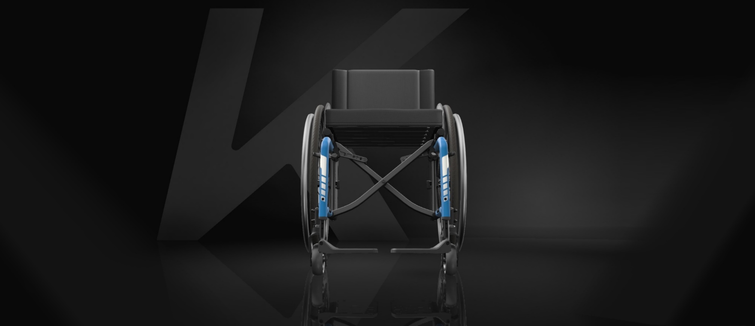
CONFIGURATION | OPTION

Frame type
Swing away 80° | DCA3010/3110
Seat width
SW440 | DCA1340
Seat depth
SD460 | DCA1470
Backrest height
BH435 | DCA1660
Front seat to floor
FSTF510 | DCA1770
Rear seat to floor
RSTF480 | DCA1860
Lower leg length
LLL470 | DCA1954
Backrest type
82° | DCA2155
Push handles |  | Deviations:
Fixed long | DCA2420 | Please allow a general tolerance of +/- 10mm
Footplates* |  | Handrim 40mm mounting: add 20mm
2 pcs.carbon | DCA3270 | Alber adds on kit = possibly up to 20mm more than calculation result
Side guards |  | Drumbrake wheel = SW+ 170mm
Others | DCAXXXX | ** Angle from the front floor
Rear wheel position |  | ** Could be wrong due to the production tolerance on FSTF and RSTF
2 | DCA6110
Rear wheel size |  | Parameters not available:
24" | DCA6410 | Mountain bike wheel | => Impact on Total width
Rear wheel type |  | OAD wheel | => Impact on Total width
Starec | DCA6510 | Angle adjustable legrest | => Impact on Total length
Handrim |  | Height adjustable push handle, rear set (DCA2430) | => Impact on Total height
Gekko | DCA6740 | Height adjustable push handle, integrated (DCA2440) | => Impact on Total height
Rear wheel camber |  | Matrx backrest | => Impact on Total height
0° | DCA6820 | Special fabrication
TOTAL WIDTH: | 632 mm
 |  | For information:
TOTAL LENGTH: | 965 mm | *Footplate plastic set to the back by default. If set to the front, adding 30mm
 |  | *Footplate carbon set to the back by default. If set to the front, adding 60mm
TOTAL HEIGHT: | 934 mm

SEAT ANGLE**: | 4.1 °

BACKREST ANGLE**: | 86.1 °

Champion 2.0
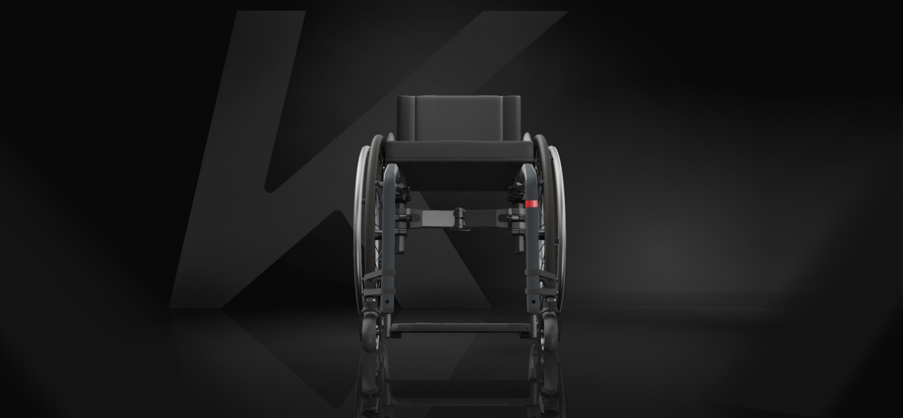
CONFIGURATION | OPTION

Frame type
Frame 90° | DHA1160
Seat width
SW400 | DHA1330
Seat depth
SD400 | DHA1435
Backrest height
BH330 | DHA1625
Front seat to floor
FSTF470 | DHA1750
Rear seat to floor
RSTF410 | DHA1825
Lower leg length
LLL400 | DHA1940
Backrest angle
85° | DHA2550
Push handles
Fixed mini | DHA2410
Rear wheel position
Position 4 | DHA6130
Footrest |  | Deviations:
Front | DHA3240 | Please allow a general tolerance of +/- 10mm
Side guards |  | Handrim 40mm mounting: add 20mm on total width
Mudguard fix car. | DHA3430 | Alber adds on kit = possibly up to 20mm more than total width
Armrest |  | * Angle from the front floor
Other | Other | * Could be wrong due to the production tolerance on FSTF and RSTF
Rear wheel size
24" | DHA6410 | Parameters not available:
Rear wheel type |  | Mountain bike wheel | => Impact on Total width
Active | DHA6500 | Angle adjustable legrest | => Impact on Total length
Handrim |  | Height adjustable push handle, rear set (DHA2430) | => Impact on Total height
Active | DHA6500 | Height adjustable push handle, integrated (DHA2440) | => Impact on Total height
Rear wheel camber |  | Matrx backrest | => Impact on Total height
0° | DHA6820 | Special fabrication
Anti-tipper
No | /
TOTAL WIDTH: | 574 mm

TOTAL LENGTH: | 845 mm

TOTAL HEIGHT: | 760 mm

SEAT ANGLE*: | 8.9 °

BACKREST ANGLE*: | 93.9 °

K-Series 2.0
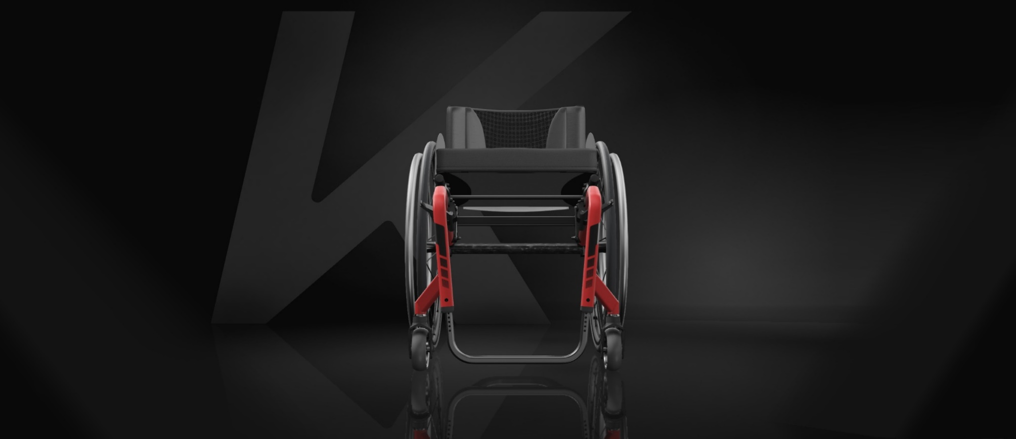
CONFIGURATION | OPTION

Frame (see table)
75° Standard | DKA1040/1050
Seat width
SW380 | DKA1325
Seat depth
SD425 | DKA1450
Seat position
4 = 95mm | DKA1530
Backrest height
BH405 | DKA1650
Front seat to floor
FSTF490 | DKA1760
Rear seat to floor
RSTF450 | DKA1845
Lower leg length
LLL400 | DKA1940
Push handles |  | Deviations:
Foldable | DKA2450 | Please allow a general tolerance of +/- 10mm
Backrest angle |  | Handrim 40mm mounting: add 20mm
82° | DKA2540 | Alber adds on kit = possibly up to 20mm more than calculation result
Footrest*** |  | *If 2 axles, worst case is calculted
Carbone adj. | DKA3220 | *If vario axle, angle 0° is calculated
Side guards |  | ** Angle from the front floor
Others | DKA3440/3450/34.. | ** Could be wrong due to the production tolerance on FSTF and RSTF
Rear wheel camber*
0° | DKA6200 | Parameters not available:
Rear wheel size |  | Mountain bike wheel |  |  |  |  |  | => Impact on Total width
24" | DKA6410 | Height adjustable push handle, rear set (DKA2430) |  |  |  |  |  | => Impact on Total height
Rear wheel type |  | Height adjustable push handle, integrated (DKA2440) |  |  |  |  |  | => Impact on Total height
Active | DKA6500 | Rear wheel extension (DKA6030,6040) |  |  |  |  |  | => Impact on Total length
Handrim |  | Matrx backrest
Active | DKA6500 | Special fabrication
TOTAL WIDTH: | 568 mm
 |  | For information:
TOTAL LENGTH: | 875 mm | ***Footplate carbon set to the back by default. If set to the front, adding 60mm

TOTAL HEIGHT: | 870 mm
 |  | Table for frame type configuration:
SEAT ANGLE**: | 5.9 ° | Frame | 24" rear wheel |  |  | 25" rear wheel |  |  | 26" rear wheel
 |  |  | FSTF | LLL |  | FSTF | LLL |  | FSTF | LLL
BACKREST ANGLE**: | 87.9 ° |  |  | footrest | flip-up |  | footrest | flip-up |  | footrest | flip-up
 |  | 75° Short | 450 | 330-420 | 290-420 | 460 | 330-430 | 290-430 | 470 | 330-440 | 290-440
 |  |  | 460 | 340-430 | 300-430 | 470 | 340-440 | 300-440 | 480 | 340-450 | 300-450
 |  |  | 470 | 350-440 | 310-440 | 480 | 350-450 | 310-450 | 490 | 350-460 | 310-460
 |  | 75° Standard | 480 | 370-450 | 330-450 | 490 | 370-460 | 330-460 | 500 | 370-470 | 330-470
 |  |  | 490 | 380-460 | 340-460 | 500 | 380-470 | 340-470 | 510 | 380-480 | 340-480
 |  |  | 500 | 390-470 | 350-470 | 510 | 390-480 | 350-480 | 520 | 390-490 | 350-490
 |  | 75° +50mm | 500 | 390-470 | 350-470 | 510 | 390-480 | 350-480 | 520 | 390-490 | 350-490
 |  |  | 510 | 400-480 | 360-480 | 520 | 400-490 | 360-490 | 530 | 400-500 | 360-500
 |  |  | 520 | 410-490 | 370-490 | 530 | 410-500 | 370-500 | 540 | 410-510 | 370-510
 |  | 90° Short | 450 | 330-410 | 290-410 | 460 | 330-420 | 290-420 | 470 | 330-430 | 290-430
 |  |  | 460 | 340-420 | 300-420 | 470 | 340-430 | 300-430 | 480 | 340-440 | 300-440
 |  |  | 470 | 350-430 | 310-430 | 480 | 350-440 | 310-440 | 490 | 350-450 | 310-450
 |  | 90° Standard | 480 | 380-440 | 340-440 | 490 | 380-450 | 340-450 | 500 | 380-460 | 340-460
 |  |  | 490 | 390-450 | 350-450 | 500 | 390-460 | 350-460 | 510 | 390-470 | 350-470
 |  |  | 500 | 400-460 | 360-460 | 510 | 400-470 | 360-470 | 520 | 400-480 | 360-480
 |  | 90° +50mm | 500 | 400-460 | 360-460 | 510 | 400-470 | 360-470 | 520 | 400-480 | 360-480
 |  |  | 510 | 410-470 | 370-470 | 520 | 410-480 | 370-480 | 530 | 410-490 | 370-490
 |  |  | 520 | 420-480 | 380-480 | 530 | 420-490 | 380-490 | 540 | 420-500 | 380-500

The KSL 2.0
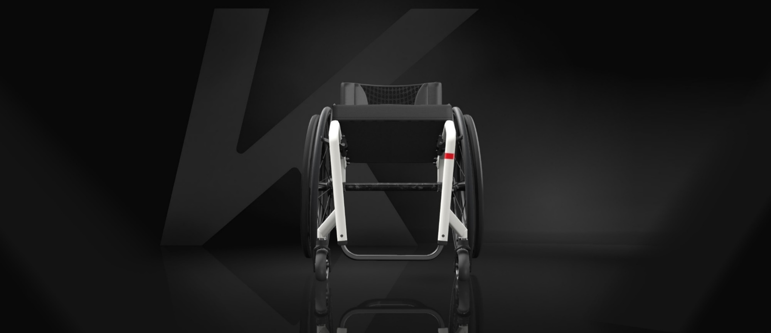
CONFIGURATION | OPTION

Backrest type
Foldable | DSA0120
Frame angle
75° | DSA1000/1010
Seat width
SW400 | DSA1330
Seat depth
SD410 | DSA0417
Backrest height
BH345 | DSA1630
Front seat to floor
FSTF500 | DSA1630
Rear seat to floor
RSTF460 | DSA1850
Lower leg length
LLL440 | DSA1948
Push handles
Without | DSA2400
Backrest angle |  | Deviations:
82° | DSA2540 | Please allow a general tolerance of +/- 10mm
Footrest** |  | Handrim 40mm mounting: add 20mm
Titanium | DSA3210 | Alber adds on kit = possibly up to 20mm more than calculation result
Seat position |  | *Angle from the front floor
1 = 140mm | DSA6100
Rear wheel size |  | Parameters not available:
24" | DSA6410 | Mountain bike wheel | => Impact on Total width
Rear wheel type |  | Height adjustable push handle, rear set (DSA2430) | => Impact on Total height
Spinergy | DSA6550 | Height adjustable push handle, integrated (DSA2440) | => Impact on Total height
Handrim |  | Matrx backrest
Titanium | DSA6720 | Special fabrication
Rear wheel camber
3° | DSA6210 | For information:
TOTAL WIDTH: | 632 mm | **Footplate carbon set to the back by default. If set to the front, adding 60mm

TOTAL LENGTH: | 827 mm

TOTAL HEIGHT: | 805 mm

SEAT ANGLE*: | 6 °

BACKREST ANGLE*: | 88 °

